ALL
Alkalmazott szűrők: TRANSPORT_MODE egyezik ezzel: Sea Reference type egyezik ezzel: Highlighted references only „QUERY_List_Carrier_name_EDIQ_Act”[LSP] egyezik ezzel: Maersk Date ekkori vagy későbbi a következőnél: 2026.02.23. 0:00:00 és dátuma korábbi, mint 2026.03.02. 0:00:00 SHIPMENT_CANCELLED egyezik ezzel: (Üres) Previous and next 1 year egyezik ezzel: Y KPI_Category nem egyezik ezzel: Mapping
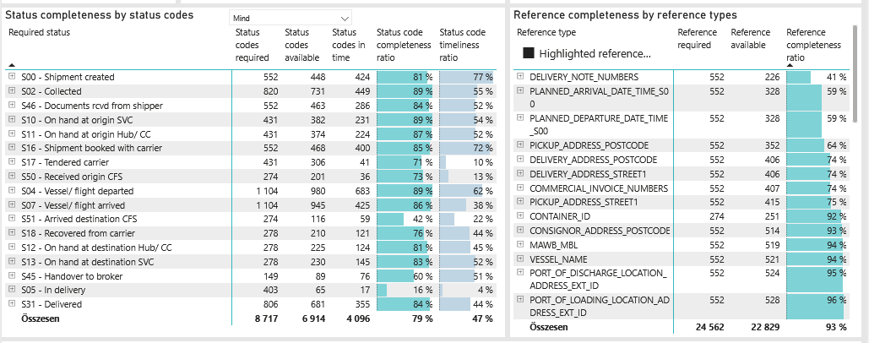
Required status | Status type | „QUERY_List_Carrier_EDIQ_Act”[LSP] | Status codes required | Status codes available | Status codes in time | Status code completeness ratio | Status code timeliness ratio
S00 - Shipment created | Actual | Maersk | 552 | 448 | 424 | 81 % | 77 %
S02 - Collected | Estimated | Maersk | 410 | 373 | 303 | 91 % | 74 %
S02 - Collected | Actual | Maersk | 410 | 358 | 146 | 87 % | 36 %
S46 - Documents rcvd from shipper | Actual | Maersk | 552 | 463 | 286 | 84 % | 52 %
S10 - On hand at origin SVC | Actual | Maersk | 431 | 382 | 231 | 89 % | 54 %
S11 - On hand at origin Hub/ CC | Actual | Maersk | 431 | 374 | 224 | 87 % | 52 %
S16 - Shipment booked with carrier | Actual | Maersk | 552 | 468 | 400 | 85 % | 72 %
S17 - Tendered carrier | Actual | Maersk | 431 | 306 | 41 | 71 % | 10 %
S50 - Received origin CFS | Actual | Maersk | 274 | 201 | 36 | 73 % | 13 %
S04 - Vessel/ flight departed | Estimated | Maersk | 552 | 505 | 418 | 91 % | 76 %
S04 - Vessel/ flight departed | Actual | Maersk | 552 | 475 | 265 | 86 % | 48 %
S07 - Vessel/ flight arrived | Estimated | Maersk | 552 | 513 | 150 | 93 % | 27 %
S07 - Vessel/ flight arrived | Actual | Maersk | 552 | 432 | 275 | 78 % | 50 %
S51 - Arrived destination CFS | Actual | Maersk | 274 | 116 | 59 | 42 % | 22 %
S18 - Recovered from carrier | Actual | Maersk | 278 | 210 | 121 | 76 % | 44 %
S12 - On hand at destination Hub/ CC | Actual | Maersk | 278 | 225 | 124 | 81 % | 45 %
S13 - On hand at destination SVC | Actual | Maersk | 278 | 230 | 145 | 83 % | 52 %
S45 - Handover to broker | Actual | Maersk | 149 | 89 | 76 | 60 % | 51 %
S05 - In delivery | Actual | Maersk | 403 | 65 | 17 | 16 % | 4 %
S31 - Delivered | Estimated | Maersk | 403 | 360 | 270 | 89 % | 67 %
S31 - Delivered | Actual | Maersk | 403 | 321 | 85 | 80 % | 21 %

FCL
Alkalmazott szűrők: TRANSPORT_MODE egyezik ezzel: Sea TRANSPORT_SERVICE_PRIORITY egyezik ezzel: FCL/FCL/FCL Reference type egyezik ezzel: Highlighted references only „QUERY_List_Carrier_name_EDIQ_Act”[LSP] egyezik ezzel: Maersk Date ekkori vagy későbbi a következőnél: 2026.02.23. 0:00:00 és dátuma korábbi, mint 2026.03.02. 0:00:00 SHIPMENT_CANCELLED egyezik ezzel: (Üres) Previous and next 1 year egyezik ezzel: Y KPI_Category nem egyezik ezzel: Mapping

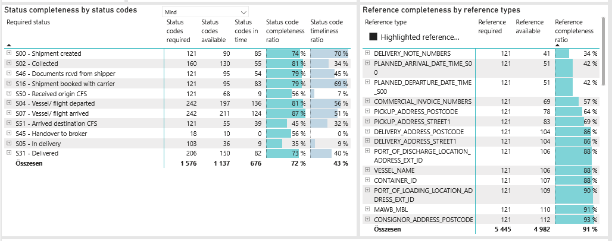
Required status | Status type | „QUERY_List_Carrier_EDIQ_Act”[LSP] | Status codes required | Status codes available | Status codes in time | Status code completeness ratio | Status code timeliness ratio
S00 - Shipment created | Actual | Maersk | 121 | 90 | 85 | 74 % | 70 %
S02 - Collected | Estimated | Maersk | 80 | 68 | 40 | 85 % | 50 %
S02 - Collected | Actual | Maersk | 80 | 62 | 15 | 78 % | 19 %
S46 - Documents rcvd from shipper | Actual | Maersk | 121 | 95 | 54 | 79 % | 45 %
S16 - Shipment booked with carrier | Actual | Maersk | 121 | 95 | 83 | 79 % | 69 %
S50 - Received origin CFS | Actual | Maersk | 121 | 68 | 9 | 56 % | 7 %
S04 - Vessel/ flight departed | Estimated | Maersk | 121 | 101 | 86 | 83 % | 71 %
S04 - Vessel/ flight departed | Actual | Maersk | 121 | 96 | 50 | 79 % | 41 %
S07 - Vessel/ flight arrived | Estimated | Maersk | 121 | 107 | 49 | 88 % | 40 %
S07 - Vessel/ flight arrived | Actual | Maersk | 121 | 104 | 75 | 86 % | 62 %
S51 - Arrived destination CFS | Actual | Maersk | 121 | 55 | 39 | 45 % | 32 %
S45 - Handover to broker | Actual | Maersk | 18 | 10 | 0 | 56 % | 0 %
S05 - In delivery | Actual | Maersk | 103 | 36 | 9 | 35 % | 9 %
S31 - Delivered | Estimated | Maersk | 103 | 77 | 60 | 75 % | 58 %
S31 - Delivered | Actual | Maersk | 103 | 73 | 22 | 71 % | 21 %

BCO
Alkalmazott szűrők: TRANSPORT_MODE egyezik ezzel: Sea TRANSPORT_SERVICE_PRIORITY egyezik ezzel: LCL/FCL/FCL Reference type egyezik ezzel: Highlighted references only „QUERY_List_Carrier_name_EDIQ_Act”[LSP] egyezik ezzel: Maersk Date ekkori vagy későbbi a következőnél: 2026.02.23. 0:00:00 és dátuma korábbi, mint 2026.03.02. 0:00:00 SHIPMENT_CANCELLED egyezik ezzel: (Üres) Previous and next 1 year egyezik ezzel: Y KPI_Category nem egyezik ezzel: Mapping
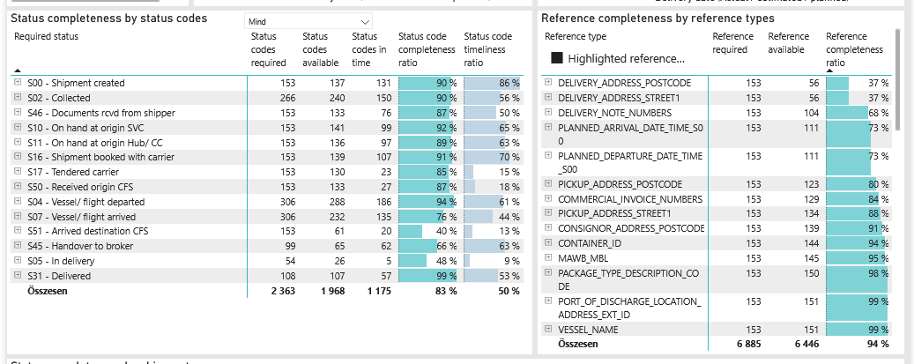
Required status | Status type | „QUERY_List_Carrier_EDIQ_Act”[LSP] | Status codes required | Status codes available | Status codes in time | Status code completeness ratio | Status code timeliness ratio
S00 - Shipment created | Actual | Maersk | 153 | 137 | 131 | 90 % | 86 %
S02 - Collected | Estimated | Maersk | 133 | 121 | 109 | 91 % | 82 %
S02 - Collected | Actual | Maersk | 133 | 119 | 41 | 89 % | 31 %
S46 - Documents rcvd from shipper | Actual | Maersk | 153 | 133 | 76 | 87 % | 50 %
S10 - On hand at origin SVC | Actual | Maersk | 153 | 141 | 99 | 92 % | 65 %
S11 - On hand at origin Hub/ CC | Actual | Maersk | 153 | 136 | 97 | 89 % | 63 %
S16 - Shipment booked with carrier | Actual | Maersk | 153 | 139 | 107 | 91 % | 70 %
S17 - Tendered carrier | Actual | Maersk | 153 | 130 | 23 | 85 % | 15 %
S50 - Received origin CFS | Actual | Maersk | 153 | 133 | 27 | 87 % | 18 %
S04 - Vessel/ flight departed | Estimated | Maersk | 153 | 149 | 131 | 97 % | 86 %
S04 - Vessel/ flight departed | Actual | Maersk | 153 | 139 | 55 | 91 % | 36 %
S07 - Vessel/ flight arrived | Estimated | Maersk | 153 | 146 | 69 | 95 % | 45 %
S07 - Vessel/ flight arrived | Actual | Maersk | 153 | 86 | 66 | 56 % | 43 %
S51 - Arrived destination CFS | Actual | Maersk | 153 | 61 | 20 | 40 % | 13 %
S45 - Handover to broker | Actual | Maersk | 99 | 65 | 62 | 66 % | 63 %
S05 - In delivery | Actual | Maersk | 54 | 26 | 5 | 48 % | 9 %
S31 - Delivered | Estimated | Maersk | 54 | 54 | 40 | 100 % | 74 %
S31 - Delivered | Actual | Maersk | 54 | 53 | 17 | 98 % | 31 %

LCL
Alkalmazott szűrők: TRANSPORT_MODE egyezik ezzel: Sea TRANSPORT_SERVICE_PRIORITY egyezik ezzel: LCL/LCL/LCL Reference type egyezik ezzel: Highlighted references only „QUERY_List_Carrier_name_EDIQ_Act”[LSP] egyezik ezzel: Maersk Date ekkori vagy későbbi a következőnél: 2026.02.23. 0:00:00 és dátuma korábbi, mint 2026.03.02. 0:00:00 SHIPMENT_CANCELLED egyezik ezzel: (Üres) Previous and next 1 year egyezik ezzel: Y KPI_Category nem egyezik ezzel: Mapping

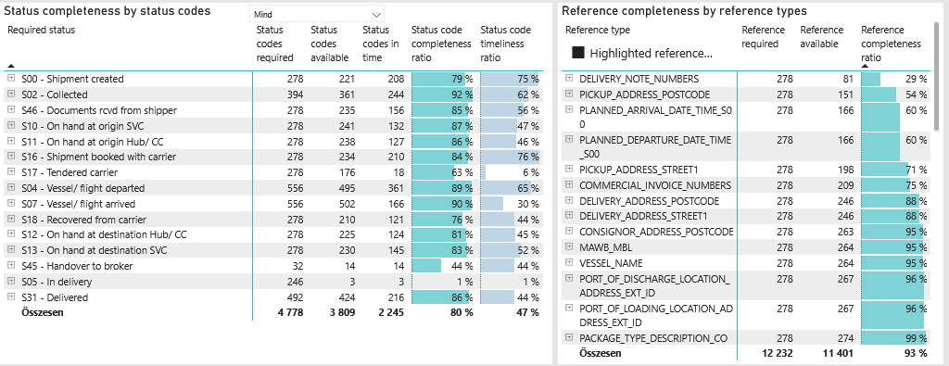
Required status | Status type | „QUERY_List_Carrier_EDIQ_Act”[LSP] | Status codes required | Status codes available | Status codes in time | Status code completeness ratio | Status code timeliness ratio
S00 - Shipment created | Actual | Maersk | 278 | 221 | 208 | 79 % | 75 %
S02 - Collected | Estimated | Maersk | 197 | 184 | 154 | 93 % | 78 %
S02 - Collected | Actual | Maersk | 197 | 177 | 90 | 90 % | 46 %
S46 - Documents rcvd from shipper | Actual | Maersk | 278 | 235 | 156 | 85 % | 56 %
S10 - On hand at origin SVC | Actual | Maersk | 278 | 241 | 132 | 87 % | 47 %
S11 - On hand at origin Hub/ CC | Actual | Maersk | 278 | 238 | 127 | 86 % | 46 %
S16 - Shipment booked with carrier | Actual | Maersk | 278 | 234 | 210 | 84 % | 76 %
S17 - Tendered carrier | Actual | Maersk | 278 | 176 | 18 | 63 % | 6 %
S04 - Vessel/ flight departed | Estimated | Maersk | 278 | 255 | 201 | 92 % | 72 %
S04 - Vessel/ flight departed | Actual | Maersk | 278 | 240 | 160 | 86 % | 58 %
S07 - Vessel/ flight arrived | Estimated | Maersk | 278 | 260 | 32 | 94 % | 12 %
S07 - Vessel/ flight arrived | Actual | Maersk | 278 | 242 | 134 | 87 % | 48 %
S18 - Recovered from carrier | Actual | Maersk | 278 | 210 | 121 | 76 % | 44 %
S12 - On hand at destination Hub/ CC | Actual | Maersk | 278 | 225 | 124 | 81 % | 45 %
S13 - On hand at destination SVC | Actual | Maersk | 278 | 230 | 145 | 83 % | 52 %
S45 - Handover to broker | Actual | Maersk | 32 | 14 | 14 | 44 % | 44 %
S05 - In delivery | Actual | Maersk | 246 | 3 | 3 | 1 % | 1 %
S31 - Delivered | Estimated | Maersk | 246 | 229 | 170 | 93 % | 69 %
S31 - Delivered | Actual | Maersk | 246 | 195 | 46 | 79 % | 19 %

